BOM
Item | Part Number | REV | Stock Number | Thumbnail | BOM Structure | Description | Material | Title | QTY | D | t | L
1 | 2205-612-901 | - |  | 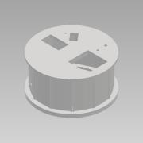 | Normal | Receiving Tank | Concrete | Area 02 | 1
2 | 0000-301-108 | - |  | 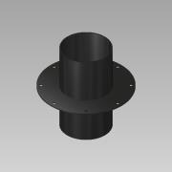 | Normal | TC- Flange DN200 8´´L=400 - Ventilation | PE |  | 1 | 1,0 | 1,0 | 1
3 | 0000-702-003 |  |  | 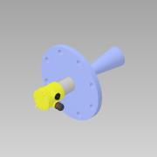 | Purchased | Radar Sensor - DN150 PN16 - VEGAPULS 62 | NA |  | 1
4 | 0000-301-051 | - |  | 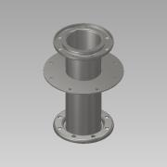 | Normal | TC- Flange DN150 PN10 L=450 - BM | SS 1.4301 - AISI 304 |  | 1 | 1,0 | 1,0 | 1
5 | 0000-353-002 | - |  | 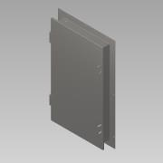 | Normal | Hatch 1800x1000x200 - Assembly | SS 1.4301 - AISI 304 |  | 1 | 1,0 | 1,0 | 1
6 | 0000-353-001 | - |  | 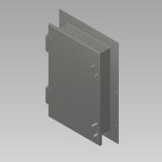 | Normal | Hatch 1000x600x200 - Assembly | SS 1.4301 - AISI 304 |  | 1 | 1,0 | 1,0 | 1
7 | 0000-700-052 | - |  | 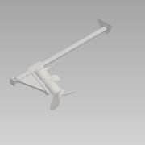 | Normal | Mixer 1 - POP-I/POPR-I 18.5kW-300rpm | N/A |  | 1
8 | 0000-353-400 | - |  | 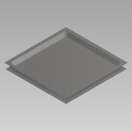 | Normal | Hatch 2000x2000x200 Assembly | SS 1.4301 - AISI 304 |  | 1
9 | 0000-750-050 |  |  | 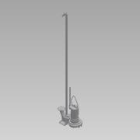 | Purchased | Submerged pump - DG-I 80 - 5kW-1500rpm | SS 1.4301 - AISI 304 |  | 1
10 | 2205-02-BM020-01 |  |  | 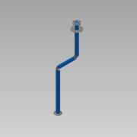 | Normal | From Pump to top Tank |  |  | 1
10.1 | 0000-703-001 | - |  | 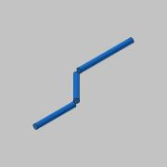 | Normal | Pipe - DN100-Ø114,3x2,6 L=3018 - EN10217-7 | SS 1.4301 - AISI 304 |  | 1 | 114,3 | 2,6 | 3018
10.2 | 0000-703-010 |  |  | 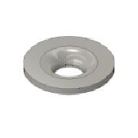 | Purchased | Collar - DN100/PN10 - EN 1092-1 Typ 37 | SS 1.4301 - AISI 304 |  | 2
10.3 | 0000-703-020 |  |  | 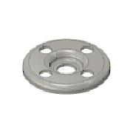 | Purchased | Pressed Flange - DN100/PN10 - EN 1092-1 Typ 02 | SS 1.4301 - AISI 304 |  | 2
10.4 | 0000-752-001 | - |  | 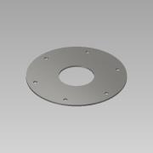 | Normal | Sheet plate - t= 6,0 mm | SS 1.4301 - AISI 304 |  | 1
10.5 | 0000-703-030 |  |  | 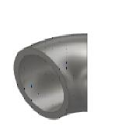 | Purchased | Elbow 45° DN100 Ø114,3x2,6 - Type 3 R=152 - DIN2605 | SS 1.4301 - AISI 304 |  | 2
11 | 2205-612-301 | - |  | 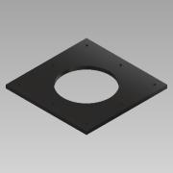 | Normal | Welding Plate for Biomass pipe | PE | Area 02 | 1
12 | 0000-301-127 | - |  | 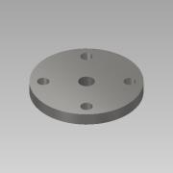 | Normal | Flange w. Threaded hole - DN50_PN16-¾''- DIN 2527 | SS 1.4571 - AISI 316Ti |  | 1
13 | 0000-301-128 | - |  | 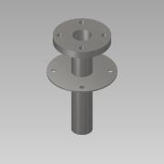 | Normal | TC -Flange DN50 PN10-16 L=300-BG | SS 1.4571 - AISI 316Ti |  | 1
14 | 0000-702-016 |  |  | 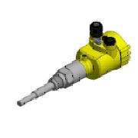 | Purchased | Level Sensor - G¾x750mm - VEGACAP 62 | Generic |  | 1
15 | 2205-02-TD002-01 |  |  | 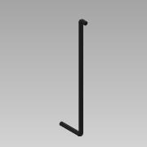 | Normal | Drain from Well |  |  | 1
15.1 | 0000-710-001 | - |  |  | Normal | PE100 Pipe - DN50-Ø63,0xSDR17 L=2444 | PE100 |  | 1 | 63,0 | 3,7 | 2444
15.2 | 0000-710-030 | - |  | 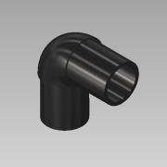 | Purchased | Elbow 90° - DN50-Ø63 - SDR11 | PE100 |  | 2

